Guidance_Note
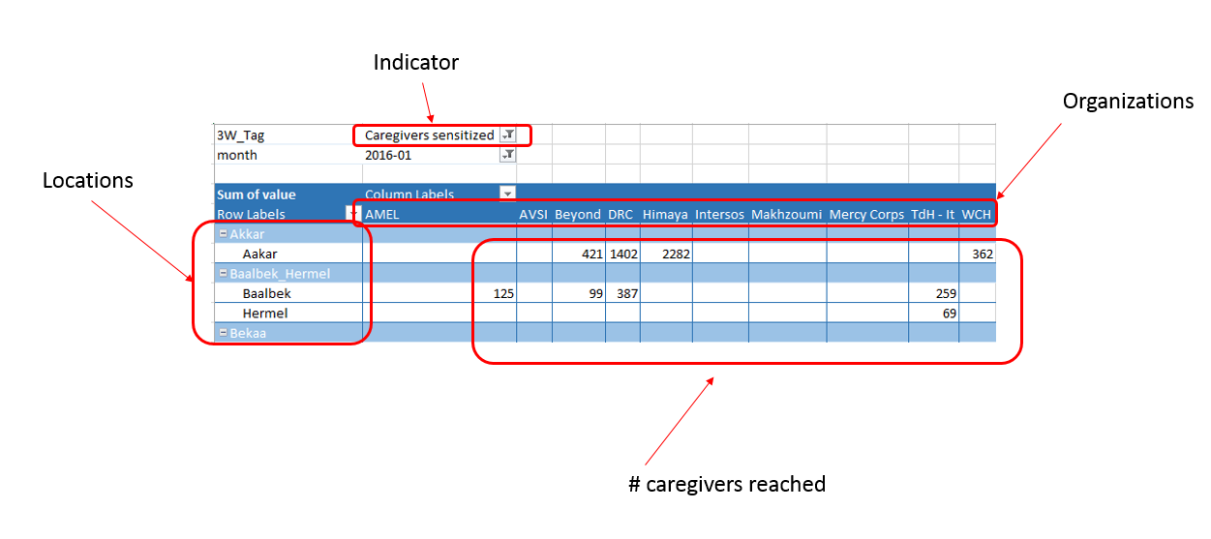
Child Protection Lebanon
Who is Working Where - data from Activity Info

Guidance Note: This workbook shows who is working where for all Child Protection in Lebanon that have been reported to Activity Info. Data shown is for January - August 2016 and was extracted on 14th September 2016. The location of activities is shown in the left hand column on the page and the organisations are in the column headings. Each indicator tab shows the number of children or adults that were reached for the activity per location per organisation. The cohorts disaggregation was used to calculate the number reached. For any queries, please contact Aoife Long, Information Management Officer, along@unicef.org.

