ReadMe
Winterization Rapid Assessment Dataset, Survey Tool and Summary Statistics

Methodology | Mixed data collection method: face-to-face interviews with Moldovans and phone calls to hosting HHs and refugees. Findings are representative on the country-wide level for two population groups: Refugees and Moldovans, with 95+/-5% confidence level. Findings are indicative for four geographic zones: Chisinau (the whole raion), North, Centre, and South. Moldovans are also disaggregated by those who are hosting refugees and those who are not.
Sample | 855 Surveys in total: 328 refugees, 511 Moldovans, and of those Moldovans 113 of them were hosting refugees.
Date Collected | Between 5 September and 13 September 2022.
Contents | ReadMe: Overall information Data: Cleaned dataset SummaryStatistics: A table of means and proportions for numerical and categorical data from the dataset Survey: The XLSForm used for the KoBo survey Choices: The question choices used in the XLSForm.
Credits | People In Need, Catholic Relief Services, ACTED, UNHCR
Contact | mdachim@unhcr.org

How to read the Summary Statistics sheet:
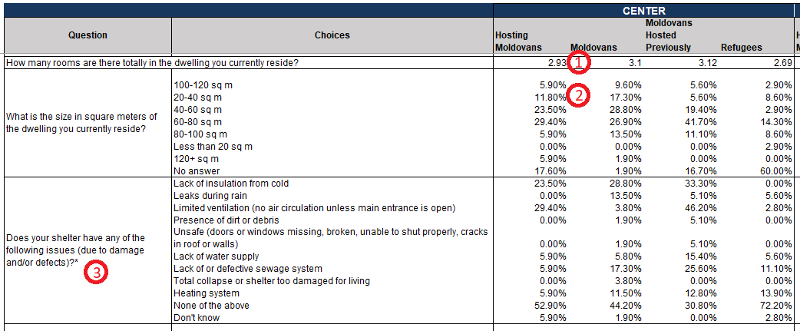

1: Where there is a numeric value, this is the mean of the values for that population group in that zone. For example: For hosting moldovans in the Center zone, the mean average of rooms in the dwellings that they reside in is 2.93.
2: Where there is a %, this is a proportion of the total population group in that zone. For example: 11.8% of hosting Moldovans in the Center zone reside in dwellings between 20-40 sq m.
3. Where there is a * on the question name, this signifies a multiple choice question. Therefore, all percentages refer to each individual option regardless of others, and they will not all add to 100%. For example: 23.5% of hosting moldovans' shelters in the Center zone lack insulation from cold. 29.4% also have limited ventilation. These options are independent.
Note: "NA" appears in the summary statistics where there are no responses. For numerical values, NA appears where there are no responses for that population group in that zone. For categorical (%s), NA appears where there are no responses for that question for all groups in the zone.
Note: Not all questions were asked to all respondents: Some were conditional on other question choices. Please refer to the survey and the dataset when using the summary statistics.

