Protection_Comms
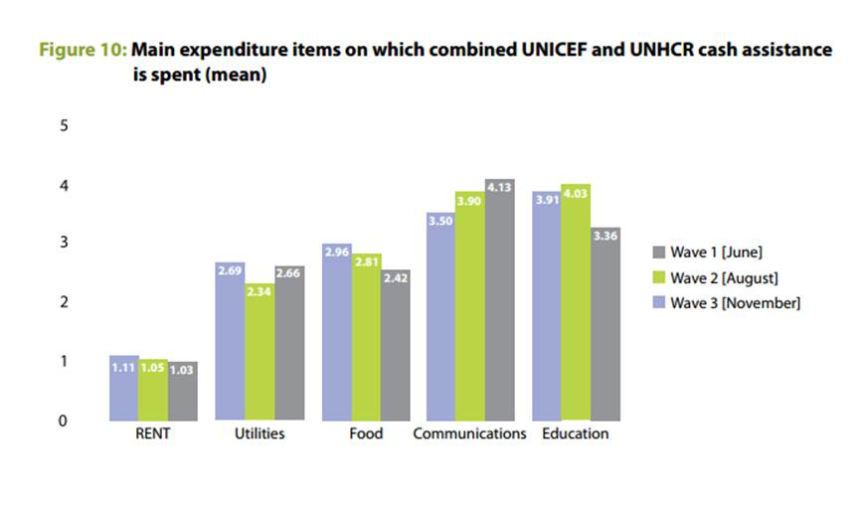
UNICEF PDM Findings 2015
Communication has been among the top five expenditure items. Here is the final analysis from all the three rounds of assessment.

Basic Needs_Utilities
 | Average of Utilities (electricity. gas. etc.) | Average of Water (network. tanker. bottled. dislodging waste water. etc.) | Average of Transportation (to school. to health centres. to market. others) | Average of Basic HH items (hygiene & NFIs)
1 | 6.9972899729 | 3.1869918699 | 6.4173441734 | 3.3983739837
2 | 9.7777777778 | 4.6616161616 | 6.5353535354 | 4.3383838384
3 | 15.165354331 | 7.1614173228 | 10.086614173 | 6.8228346457
4 | 16.668639053 | 7.0473372781 | 10.183431953 | 7.8934911243
5 | 19.657575758 | 8.8575757576 | 9.5878787879 | 8.5515151515
6 | 20.354085603 | 9.6887159533 | 13.431906615 | 8.9494163424
7+ | 22.102766798 | 10.47826087 | 11.901185771 | 9.9920948617

VAF Baseline Sept/Oct 2015 reported expenditure by FS |  |  |  |  | WASH
Average Expenditure in JOD |  |  |  |  | Average Expenditure in JOD
Family Size | Utilities (electricity. gas. etc.) | Water (network. tanker. bottled. dislodging waste water. etc.) | Transportation (to school. to health centres. to market. others) | Basic HH items (hygiene & NFIs) | Family Size | Water (network. tanker. bottled. dislodging waste water. etc.) | Basic HH items (hygiene & NFIs) | Total
1 | 7.0 | 3.2 | 6.4 | 3.4 | 1 | 3.2 | 3.4 | 6.6
2 | 9.8 | 4.7 | 6.5 | 4.3 | 2 | 4.7 | 4.3 | 9.0
3 | 15.2 | 7.2 | 10.1 | 6.8 | 3 | 7.2 | 6.8 | 14.0
4 | 16.7 | 7.0 | 10.2 | 7.9 | 4 | 7.0 | 7.9 | 14.9
5 | 19.7 | 8.9 | 9.6 | 8.6 | 5 | 8.9 | 8.6 | 17.4
6 | 20.4 | 9.7 | 13.4 | 8.9 | 6 | 9.7 | 8.9 | 18.6
7+ | 22.1 | 10.5 | 11.9 | 10.0 | 7+ | 10.5 | 10.0 | 20.5

Family Size | Average of Utilities (electricity. gas. etc.) | Average of Water (network. tanker. bottled. dislodging waste water. etc.) | Average of Transportation (to school. to health centres. to market. others) | Average of Basic HH items (hygiene & NFIs)
1 | 7.00 | 3.19 | 6.42 | 3.40
2 | 9.78 | 4.66 | 6.54 | 4.34
3 | 15.17 | 7.16 | 10.09 | 6.82
4 | 16.67 | 7.05 | 10.18 | 7.89
5 | 19.66 | 8.86 | 9.59 | 8.55
6 | 20.35 | 9.69 | 13.43 | 8.95
7+ | 22.10 | 10.48 | 11.90 | 9.99
Grand Total | 15.82 | 7.30 | 9.73 | 7.14

